EVD_Edit
Test Case ID
Test Case Summary | Edit Customer, Supplier, Asset

Step # | Test Evidence |  |  |  |  | Re-Test Evidence (if found Bug/Issue)
1.1

 |  |  | Pak Harry Hardiansyah confirm bahwa untuk Customer hanya bisa Add saja, tidak untuk Edit

1.2

1.3

2.1
 |  | Before |  |  | After
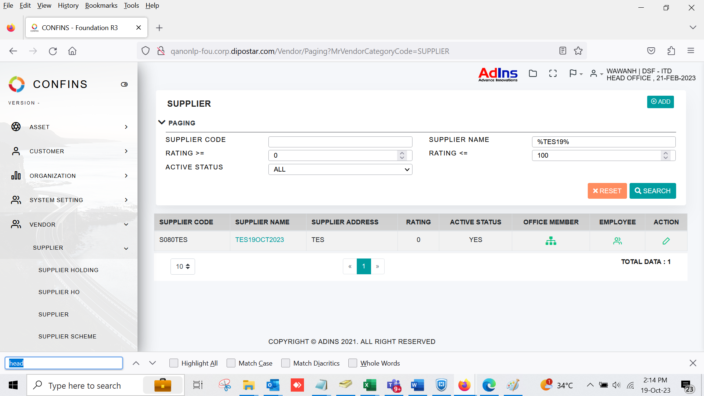
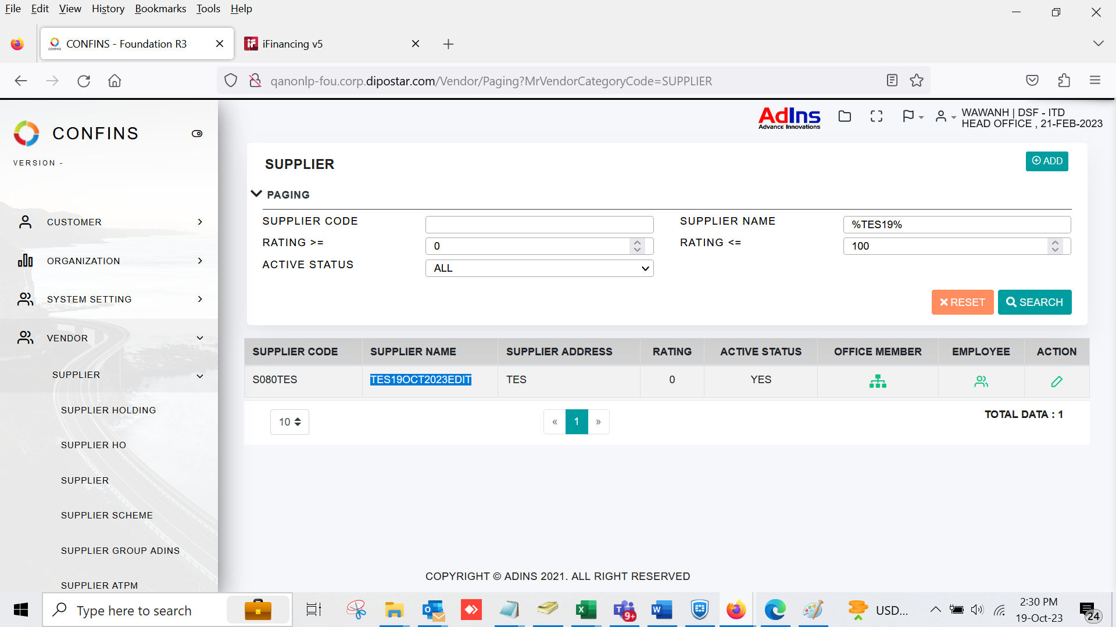

2.2

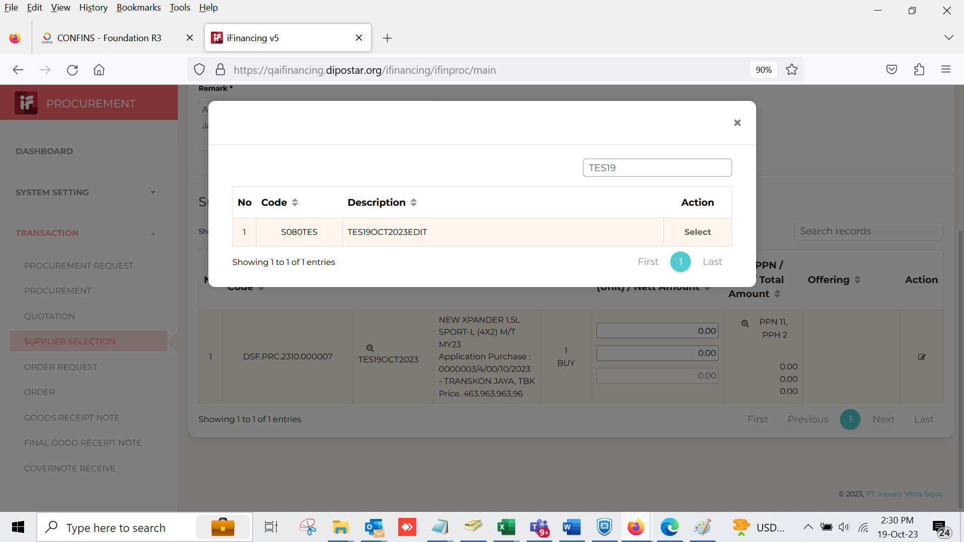
2.3

3.1
 |  | Before |  | After
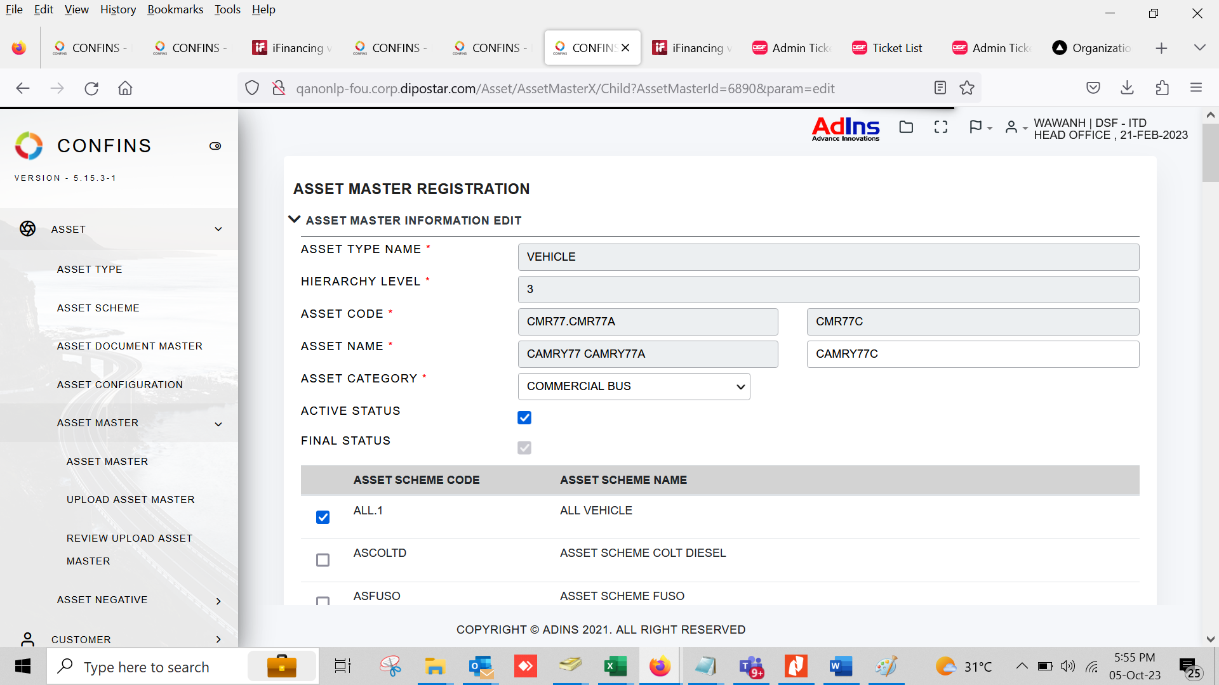
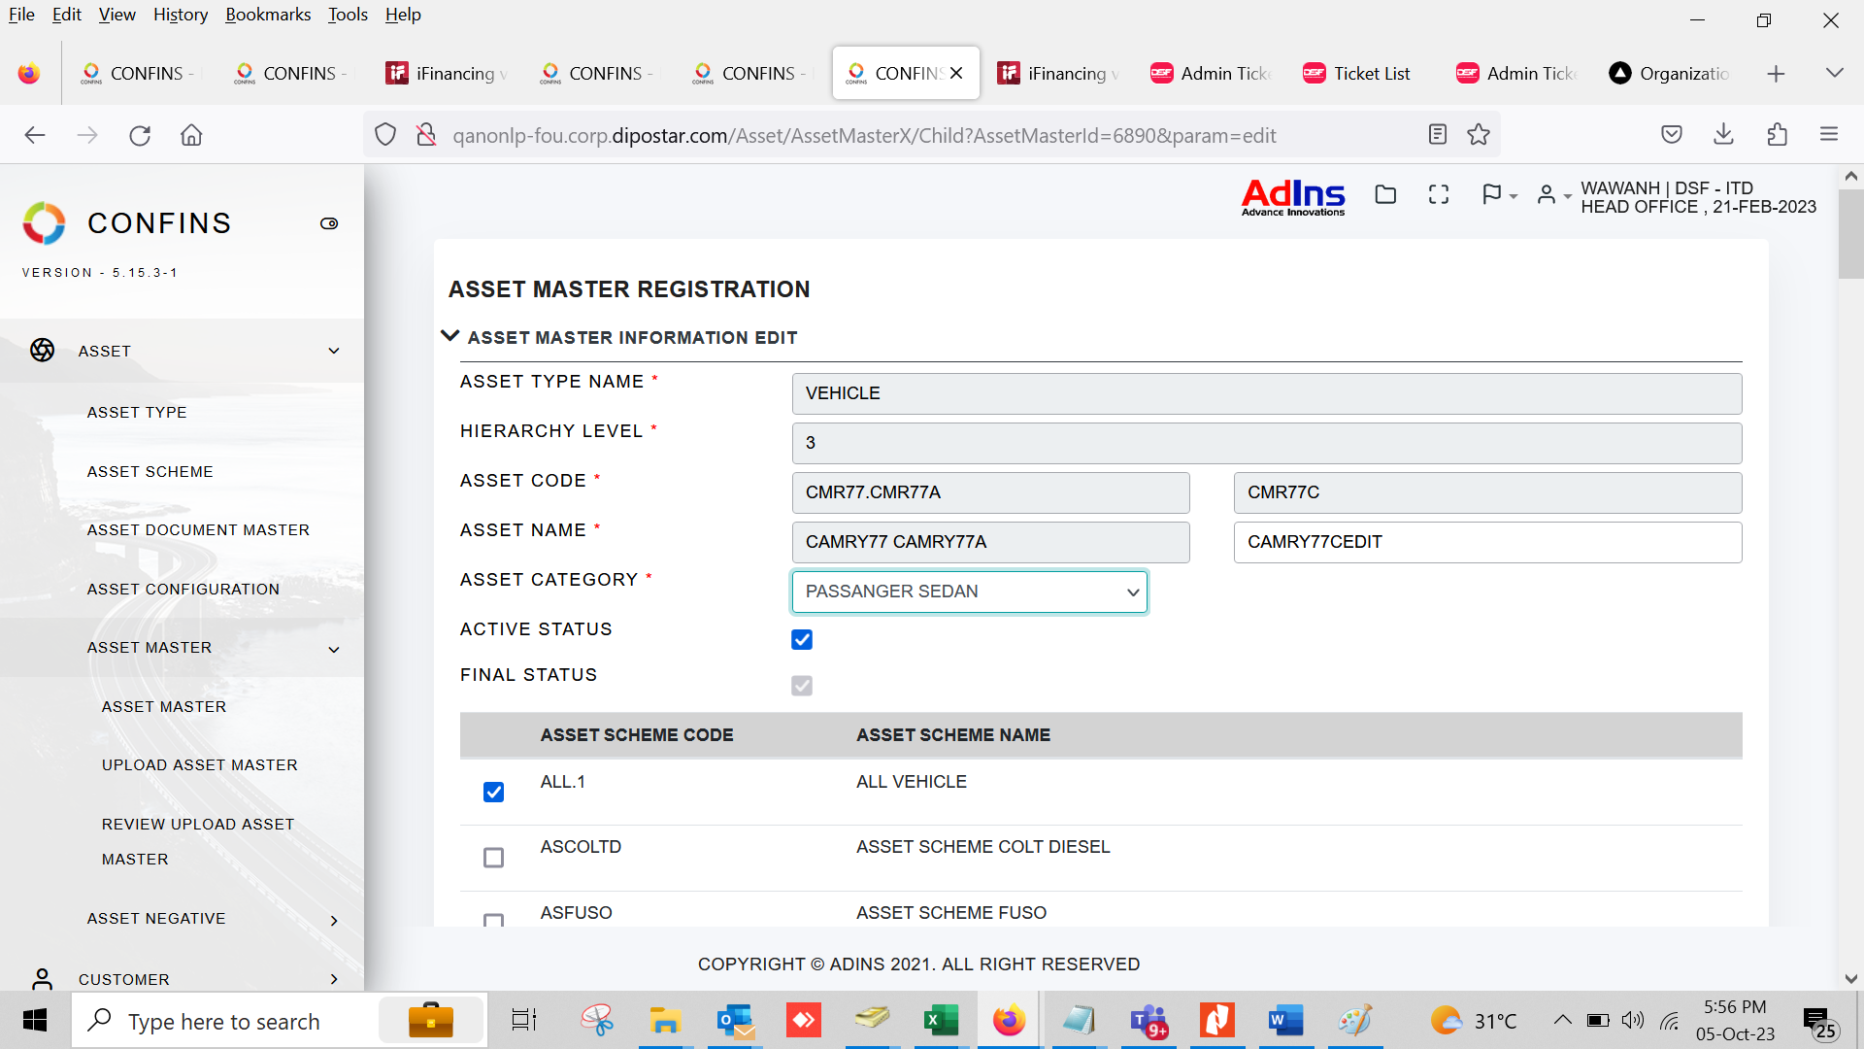

3.2

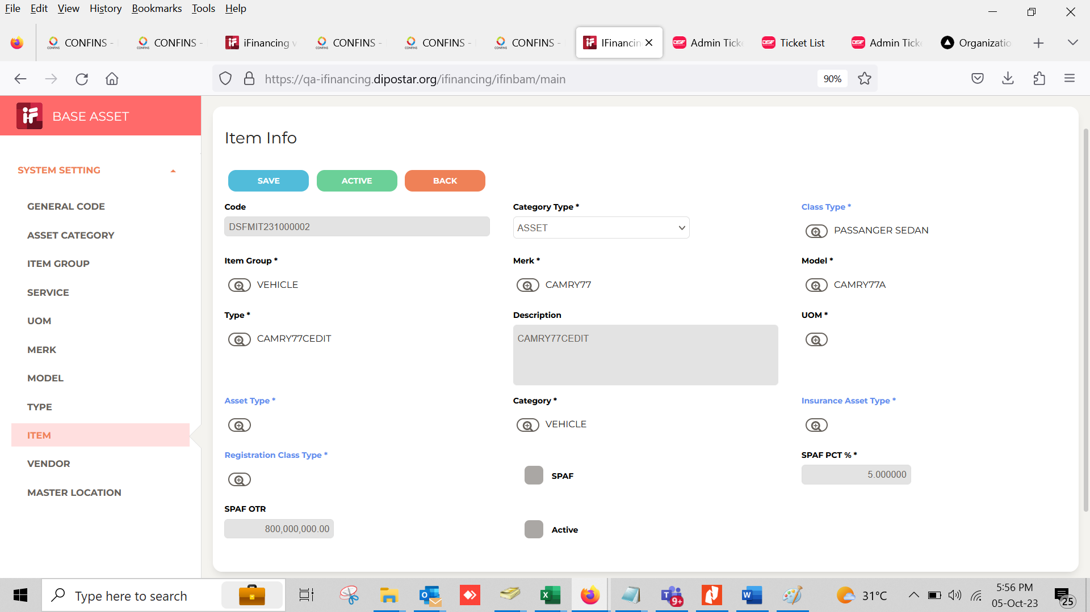
3.3

5.2

6.1

6.2

7.1

7.2

8.1

8.2

9.1

10.1

11.1

11.2

12.1

13.1

14.1

